Retirement Plan Problem
Retirement Plan Problem

Data

 | Investment | $3,000
 | Mean | 12%
 | Standard Deviation | 2% |  |  | Interest = (Amount + Investment) * Return Rate
 |  |  |  |  | Amount = Previous Amount + Investment + Interest
Solution

 | Age | Investment | Return Rate | Interest | Amount (End of Each Year)
 | 30 | $3,000 | 13% | $390 | $3,390
 | 31 | $3,000 | 11% | $706 | $7,096
 | 32 | $3,000 | 15% | $1,466 | $11,562
 | 33 | $3,000 | 12% | $1,677 | $16,239
 | 34 | $3,000 | 12% | $2,316 | $21,555
 | 35 | $3,000 | 16% | $3,981 | $28,536
 | 36 | $3,000 | 11% | $3,544 | $35,080
 | 37 | $3,000 | 14% | $5,281 | $43,361
 | 38 | $3,000 | 10% | $4,474 | $50,835
 | 39 | $3,000 | 12% | $6,526 | $60,361
 | 40 | $3,000 | 12% | $7,709 | $71,070
 | 41 | $3,000 | 11% | $8,166 | $82,236
 | 42 | $3,000 | 9% | $7,551 | $92,788
 | 43 | $3,000 | 12% | $11,636 | $107,424
 | 44 | $3,000 | 13% | $14,281 | $124,705
 | 45 | $3,000 | 10% | $13,258 | $140,963
 | 46 | $3,000 | 11% | $15,189 | $159,152
 | 47 | $3,000 | 13% | $20,297 | $182,449
 | 48 | $3,000 | 12% | $22,674 | $208,124
 | 49 | $3,000 | 12% | $25,421 | $236,545
 | 50 | $3,000 | 13% | $30,272 | $269,817
 | 51 | $3,000 | 12% | $31,655 | $304,472
 | 52 | $3,000 | 13% | $38,650 | $346,123
 | 53 | $3,000 | 11% | $38,656 | $387,778
 | 54 | $3,000 | 13% | $50,343 | $441,121
 | 55 | $3,000 | 11% | $48,200 | $492,321
 | 56 | $3,000 | 14% | $70,245 | $565,566
 | 57 | $3,000 | 10% | $57,406 | $625,973
 | 58 | $3,000 | 12% | $76,331 | $705,304
 | 59 | $3,000 | 11% | $81,038 | $789,342
 | 60 | $3,000 | 15% | $116,929 | $909,271

Total Invested | $909,271

Questions & Answers

a) If he is 30 years old now, how much money should he expect to have in his retirement fund at age 60?
a) At the age of 60, he can expect a total of $ 9,11,721 in his retirement fund.

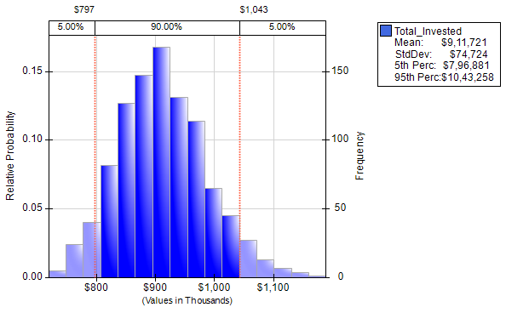

b) What is the probability that he will have more than $1 million in his retirement fund when he reaches age 60?
b) The probability that he will have more than $1 million in his retirement fund when he reaches age 60 is - 12.60 %.

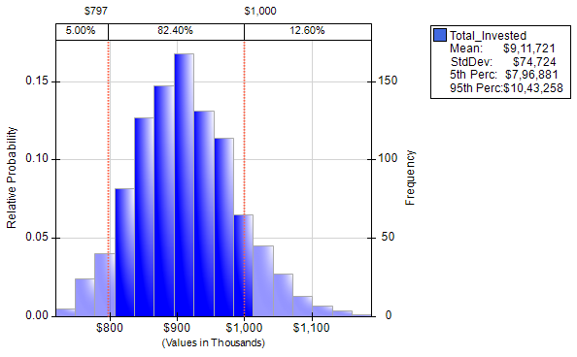

c) How much should he invest each year if he wants the mean value of his portfolio to be at least $1 million at age 60?
c) The amount he should invest each year if he wants the mean value of his portfolio to be atleast $1 million at age 60 is -

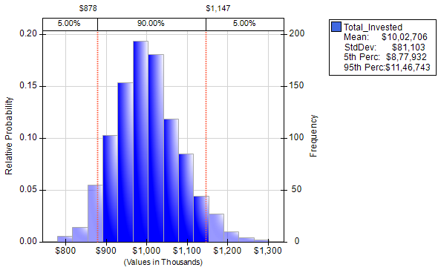

 | Investment | Amount
 | $3,100 | $941,978
 | $3,200 | $972,611
 | $3,300 | $1,002,706
 | $3,400 | $1,033,169
 | $3,500 | $1,063,652

So , he can invest any amount above $3,300 to get atleast $1 million dollar in his retirement fund. As if he invested upto $3200 he will get the retirement
fund mean value to be less than $1 million dollar and it is only after that he starts getting Retirement fund mean value as more than $1 million.

d) How much should he invest each year if he wants there to be a 90 percent chance of having at least $1 million in
his retirement fund at age 60?
d) The amount he should invest each year, if he wants there to be a 90 percent chance of having at least $1 million in
his retirement fund at age 60 is -

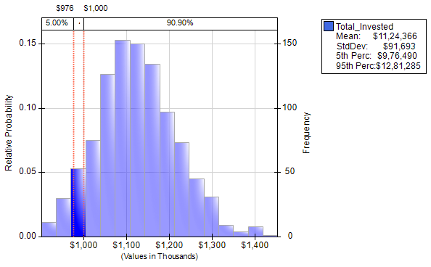

 | Investment | Probability
 | $3,700 | 90.90%
 | $3,800 | 97.10%
 | $3,900 | 98.50%
 | $4,000 | 99.20%

So , he can invest any amount above $3,700 to get a chance of 90% of having atleast $1 million dollar in his retirement fund. Below $3700 investment
he gets a chance of getting $1 million dollar less than 90%.

